Sheet1
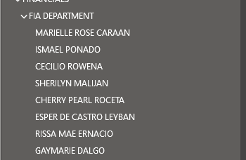

Marrielle ROSE Caraan
Ismael Ponado
Cecilio Rowena
Sherilyn Malijan
Cherry Pearl Roceta
Esper De Castro Leyban
Rissa Mae Ernacio
Gaymarie Dalgo

